Sheet1
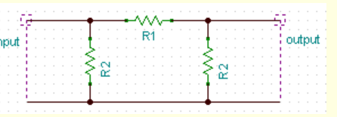
Pi Attenuator
PI Attenuator Calculator (leleivre.com)

R1 = series
R2 = parallel

